Project abstract
Activity 1) Our project is creating a cost-effective, IoT-driven system to be employed by consumers which will disaggregate various residential loads for analysis.

 | Activity 2)
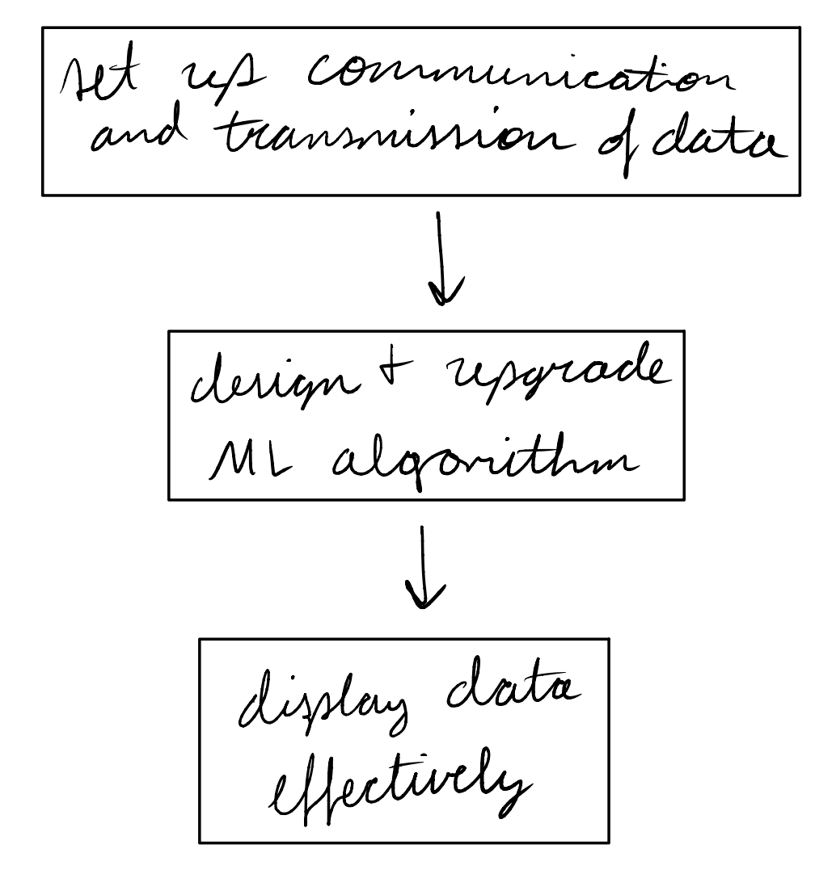
 |  | Activity 3)
 |  | Show Device
 |  | Transmitting to InfluxDB
 |  | Preprocessing data in InfluxDB
 |  | Sending preprocessed data to ML model
 |  | Sending disaggregated data back to InfluxDB
 |  | Displaying predicted data on Grafana

 |  | Activity 4)
 |  | Andrew (ML) | Machine learning model disaggregating data, compare to actual
 |  | Ralph (Website) | A) Display data B) Receiving data C) Demo by showing live demonstration of website.
 |  | Manny (Data Communication) | Show data being read and output/stored in cloud database
 |  | Labib (ML) | A and B) finding an open source data set C)showing how a potential one could work

